Expected Output
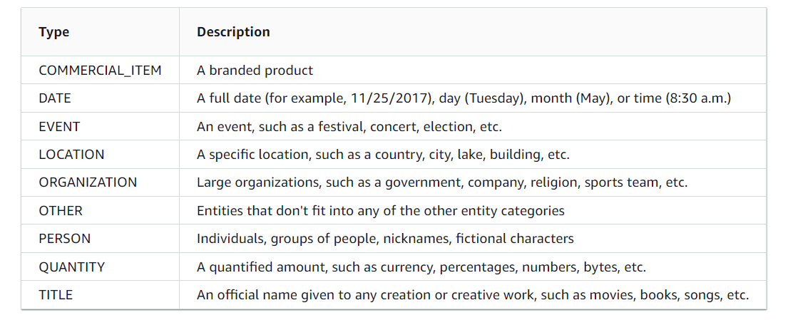
Sentence 1 | BeginOffset | EndOffset | Score | Text | Type | Expected Output
 | 24 | 27 | 0.548673041 | MRI | OTHER | OTHER
 | 66 | 74 | 0.90793239 | chondral | OTHER | OTHER

Sentence 2 | BeginOffset | EndOffset | Score | Text | Type
 | 33 | 41 | 0.629382204 | patellar | OTHER | OTHER
 | 85 | 96 | 0.738689481 | subluxation | OTHER | OTHER
 | 98 | 113 | 0.674426143 | femoral condyle | OTHER | OTHER
 | 126 | 141 | 0.672925711 | patellar marrow | OTHER | OTHER

Sentence 3 | BeginOffset | EndOffset | Score | Text | Type
 | 30 | 33 | 0.457645243 | EMG | OTHER | OTHER
 | 75 | 78 | 0.982086762 | AOC | ORGANIZATION | ORGANIZATION
 | 215 | 234 | 0.811457639 | BOTH of these items | QUANTITY | QUANTITY

Sentence 4 | BeginOffset | EndOffset | Score | Text | Type
 | 63 | 72 | 0.74770363 | arthritis | OTHER | OTHER

Sentence 5 | BeginOffset | EndOffset | Score | Text | Type
 | 126 | 142 | 0.753803998 | at least 6 weeks | QUANTITY | QUANTITY

Sentence 6 | BeginOffset | EndOffset | Score | Text | Type
 | 63 | 80 | 0.625122211 | Sea Grant Scholar | COMMERCIAL_ITEM | PERSON
 | 84 | 88 | 0.695152829 | ODFW | ORGANIZATION | ORGANIZATION
 | 161 | 167 | 0.994470113 | Oregon | LOCATION | LOCATION
 | 193 | 201 | 0.995025136 | 2 things | QUANTITY | QUANTITY
 | 339 | 346 | 0.447974051 | last 24 | DATE | QUANTITY
 | 347 | 353 | 0.504628281 | months | QUANTITY | QUANTITY

Sentence 7 | BeginOffset | EndOffset | Score | Text | Type
 | 4 | 28 | 0.977833698 | two journal publications | QUANTITY | QUANTITY
 | 82 | 87 | 0.99557014 | 40 mb | QUANTITY | QUANTITY
 | 168 | 205 | 0.939276834 | Northeast Coastal and Barrier Network | ORGANIZATION | LOCATION

Sentence 8 | BeginOffset | EndOffset | Score | Text | Type
 | 0 | 28 | 0.62806542 | All individuals and entities | QUANTITY | PERSON
 | 29 | 32 | 0.998252946 | OSU | ORGANIZATION | ORGANIZATION
 | 80 | 83 | 0.994514797 | OSU | ORGANIZATION | ORGANIZATION

Sentence 9 | BeginOffset | EndOffset | Score | Text | Type
 | 81 | 104 | 0.996710202 | Oregon State University | ORGANIZATION | ORGANIZATION
 | 123 | 128 | 0.98867176 | today | DATE | DATE
 | 236 | 247 | 0.970718316 | this summer | DATE | DATE
 | 254 | 264 | 0.605942507 | Oregon Sea | TITLE | ORGANIZATION
 | 265 | 277 | 0.510117914 | Grant Summer | OTHER | ORGANIZATION
 | 278 | 285 | 0.535710826 | Scholar | TITLE | PERSON

Sentence 10 | BeginOffset | EndOffset | Score | Text | Type
 | 25 | 33 | 0.99586923 | 2 things | QUANTITY | QUANTITY
 | 169 | 173 | 0.419153265 | last | DATE | QUANTITY
 | 174 | 183 | 0.500535968 | 24 months | QUANTITY | QUANTITY

Sentence 11 | BeginOffset | EndOffset | Score | Text | Type
 | 14 | 18 | 0.990943002 | Word | TITLE | COMMERCIAL_ITEM
 | 138 | 142 | 0.708550496 | ODFW | TITLE | ORGANIZATION

Sentence 14 | BeginOffset | EndOffset | Score | Text | Type
 | 23 | 39 | 0.993480262 | Emory University | ORGANIZATION | ORGANIZATION
 | 84 | 106 | 0.998213883 | Sunday, March 22, 2020 | DATE | DATE
 | 184 | 206 | 0.998777657 | Monday, March 23, 2020 | DATE | DATE

Sentence 15 | BeginOffset | EndOffset | Score | Text | Type
 | 40 | 49 | 0.997458259 | yesterday | DATE | DATE
 | 254 | 263 | 0.993290192 | this week | DATE | DATE

